Example
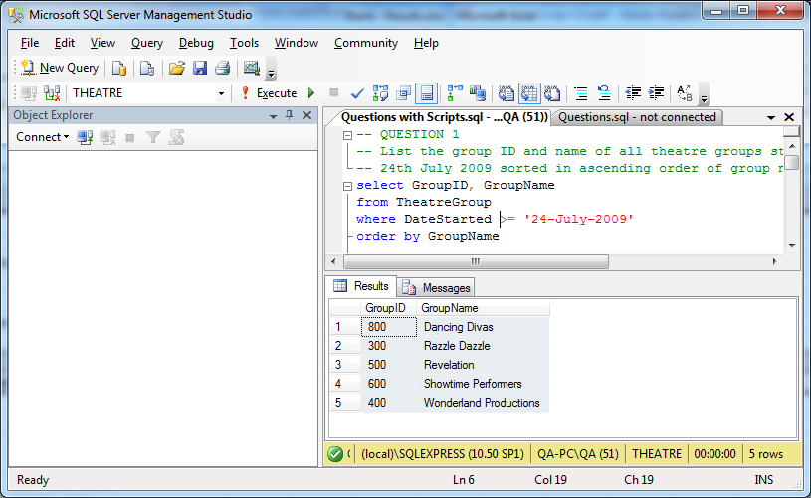
TEST PLAN

Example 1: | Manually check original tables to work out expected results, then compare this data against actual result set

Example 2: | Compare the data in the table before and after the table data is modified

EXPECTED RESULT

Example 1: | 5 rows of data containing the GroupID and GroupName for the

Example 2: | 1 additional row of data can be seen in the table after the insert statement has been run

ACTUAL RESULT
Test Pass/Fail? : PASS

Q1
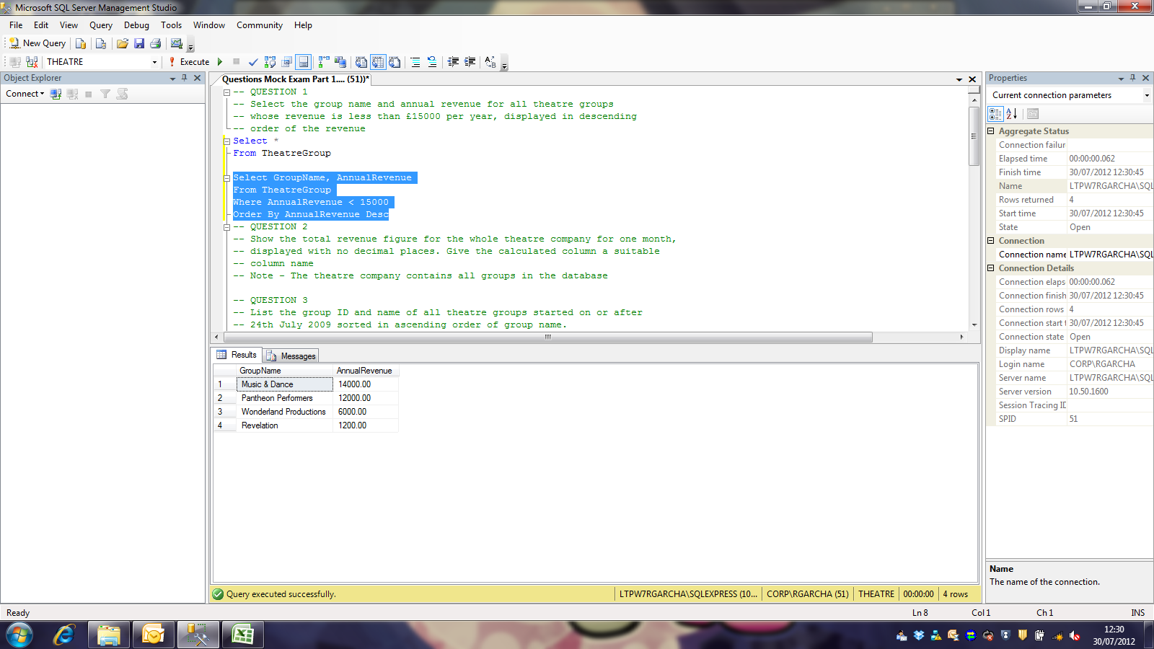
TEST PLAN
View all employees and manually count those hired on or before 21/05/1991
Manually check answer query for employees hired after 21/05/1991

EXPECTED RESULT
Should match total listed in answer query
Should not list employees hired after 21/05/1991

ACTUAL RESULT
Test Pass/Fail? : PASS
Before
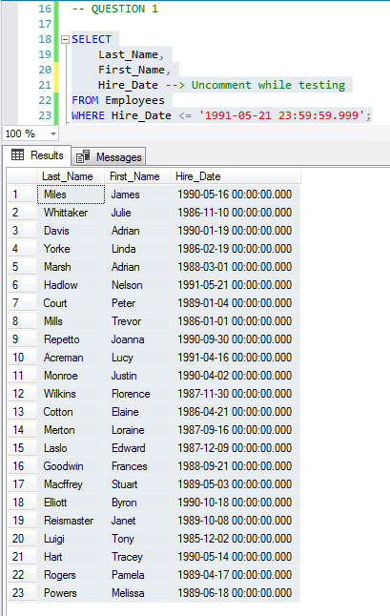

After

Q2
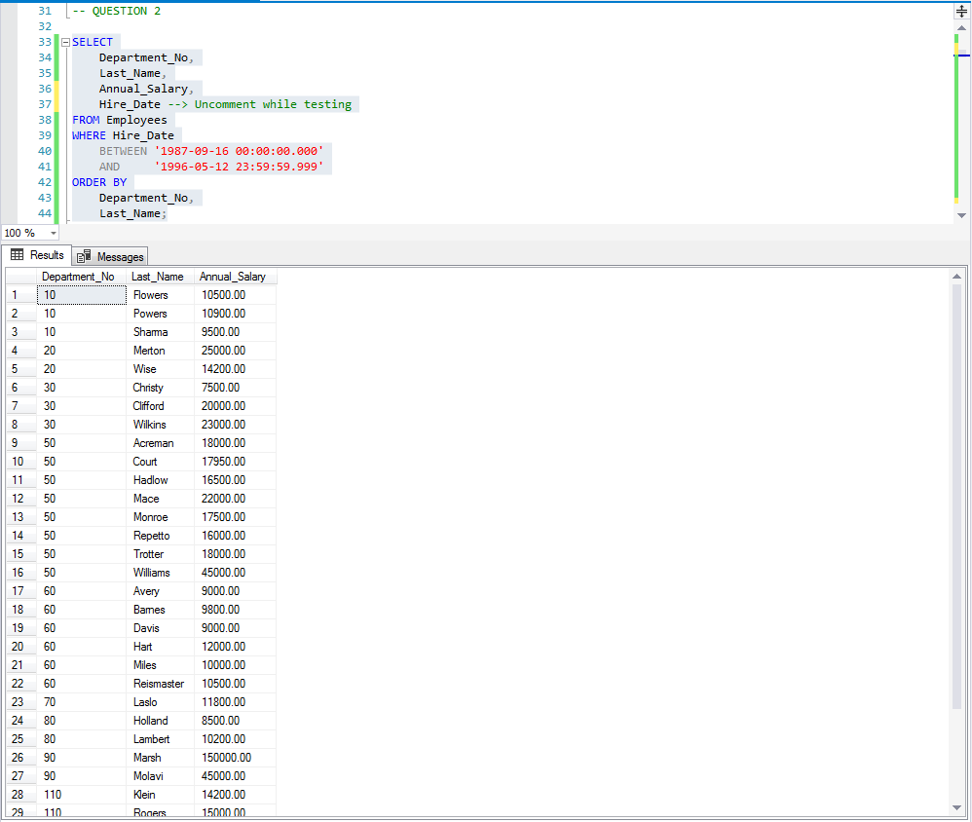
TEST PLAN
View all employees and manually count those hired between 16/09/1987 and 12/05/1996
Execute the answer query and manually check for employees hired outside the given range

EXPECTED RESULT
The amount should match the amount returned by the answer query
There should be no employees hired outside the given range

ACTUAL RESULT
Test Pass/Fail? : PASS

Q3
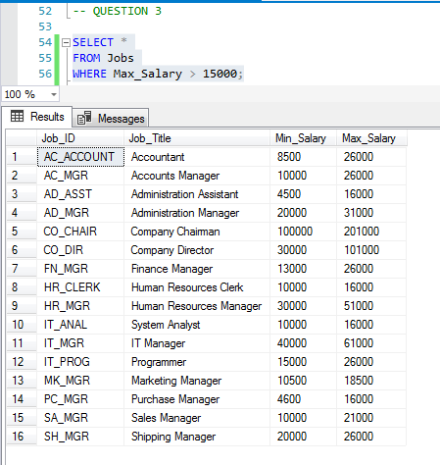
TEST PLAN
Manually check answer query for jobs paying <=15000 max salary

EXPECTED RESULT
No jobs paying <=15000 max salary should be listed

ACTUAL RESULT
Test Pass/Fail? : PASS

Q4
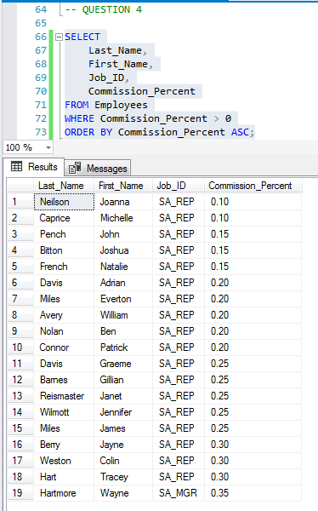
TEST PLAN
Check answer query for NULL Commission_Percent values

EXPECTED RESULT
No NULL Commission_Percent values should be listed

ACTUAL RESULT
Test Pass/Fail? : PASS

Q5
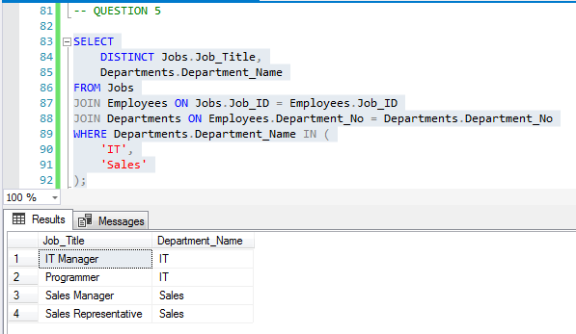
TEST PLAN
Check results of answer query for departments
Check results of answer query for job roles

EXPECTED RESULT
Only IT and Sales departments should be listed
Each job role should only be listed once

ACTUAL RESULT
Test Pass/Fail? : PASS

Q6
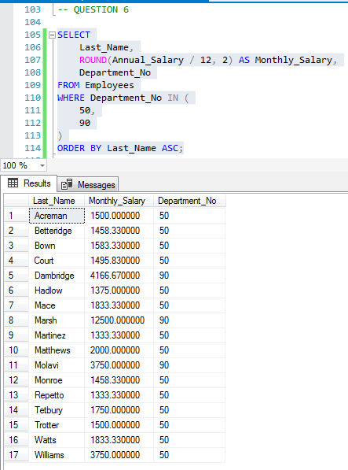
TEST PLAN
Check department numbers listed
Check decimal places for salaries

EXPECTED RESULT
Only department numbers 50 and 90 should be listed
No non-zero values should be printed beyond 2 decimal places

ACTUAL RESULT
Test Pass/Fail? : PASS

Q7
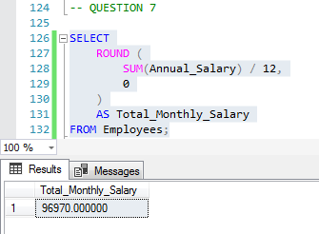
TEST PLAN
Check decimal places

EXPECTED RESULT
There should be no non-zero values after the decimal point

ACTUAL RESULT
Test Pass/Fail? : PASS

Q8
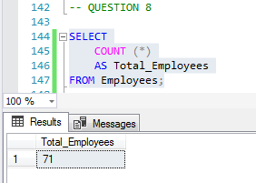
TEST PLAN
Check result of query

EXPECTED RESULT
Total amount of employees should be listed as a whole number

ACTUAL RESULT
Test Pass/Fail? : PASS

Q9
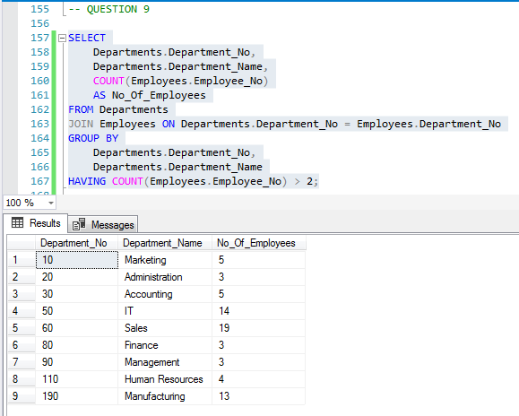
TEST PLAN
Check result of query
Check listed departments

EXPECTED RESULT
Should list the amount of employees in each department
Each department should only be listed once

ACTUAL RESULT
Test Pass/Fail? : PASS

Q10
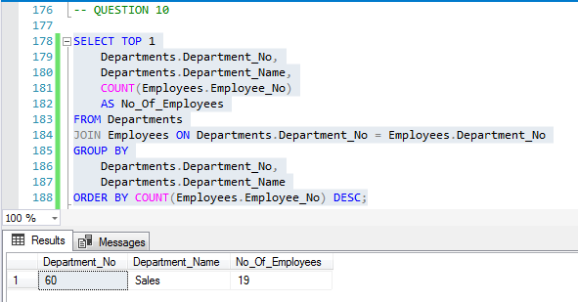
TEST PLAN
Check query
Check amount of records

EXPECTED RESULT
Should return amount of employees in largest department
Should only list one record

ACTUAL RESULT
Test Pass/Fail? : PASS

Q11
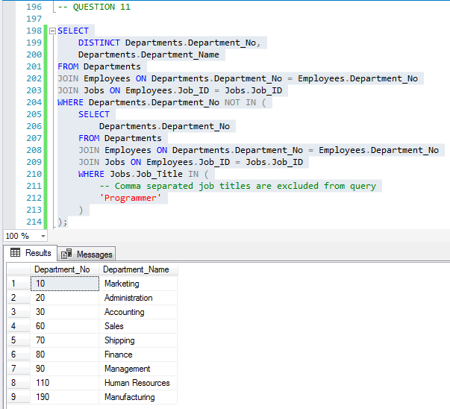
TEST PLAN
Check result of query
Check for departments with programmers

EXPECTED RESULT
Should display departments without programmers
Should not list departments with programmers

ACTUAL RESULT
Test Pass/Fail? : PASS

Q12
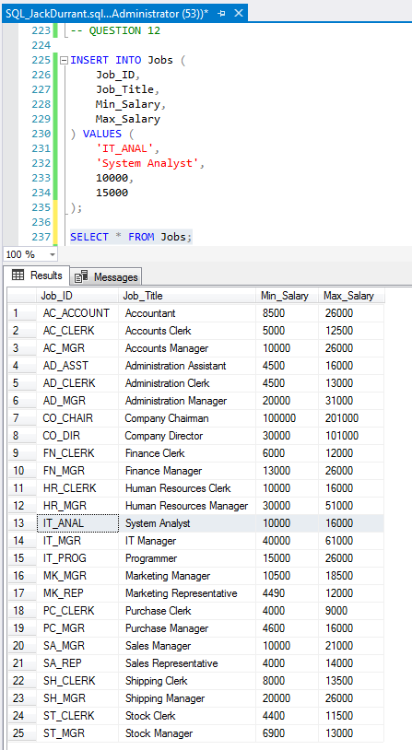
TEST PLAN
Execute INSERT statement
Check Jobs table

EXPECTED RESULT
Should execute without errors
Should list newly added record

ACTUAL RESULT
Test Pass/Fail? : PASS

Q13
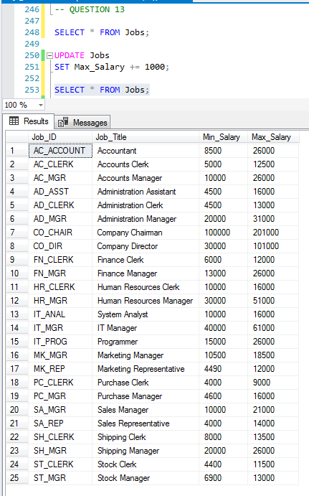
TEST PLAN
Check Max_Salary of Jobs before and after UPDATE statement
Execute UPDATE statement

EXPECTED RESULT
Max_Salary of each job should increase by 1000
Should execute without errors

ACTUAL RESULT
Test Pass/Fail? : PASS

Q14
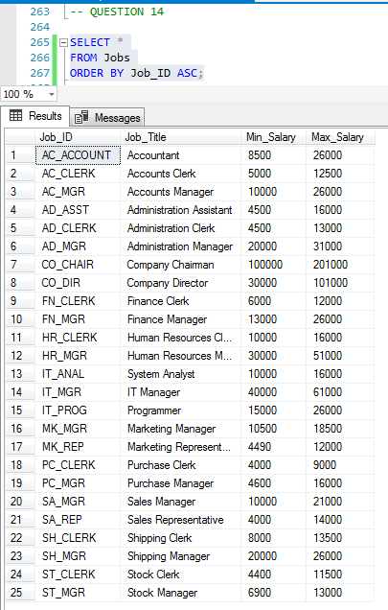
TEST PLAN
Check ordering of result of query

EXPECTED RESULT
Job IDs should be ordered alphabetically

ACTUAL RESULT
Test Pass/Fail? : PASS

Q15
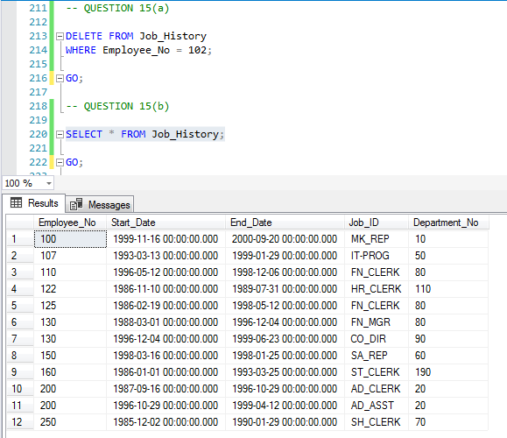
TEST PLAN
Execute DELETE statement
Check Job_History table

EXPECTED RESULT
Should execute without errors
Employee 102 should not be listed

ACTUAL RESULT
Test Pass/Fail? : PASS

Q16
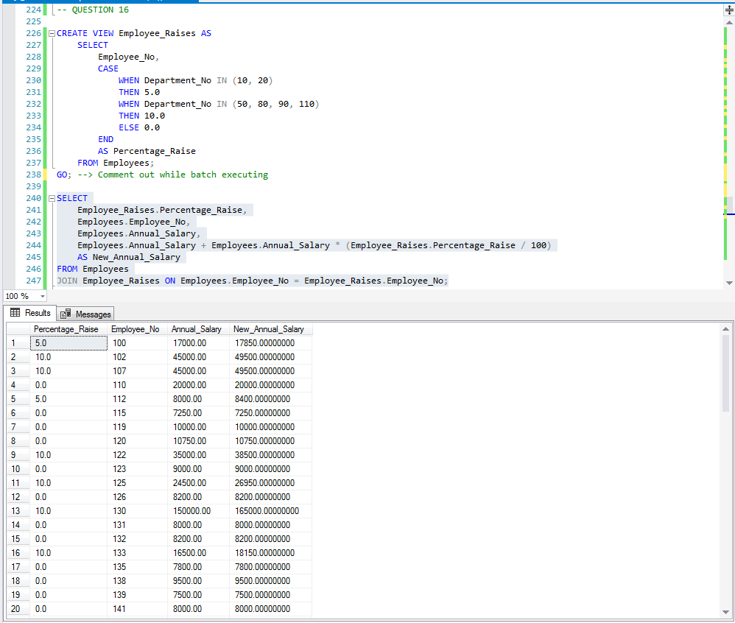
TEST PLAN
Execute CREATE VIEW ..
Check annual salary increases
Execute DROP VIEW …
EXPECTED RESULT
Should execute without errors
Employees with 0% raise should not have salary increases
Should execute without errors
ACTUAL RESULT
Test Pass/Fail? : PASS

Q17
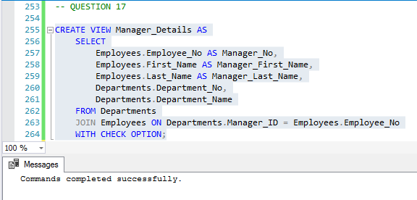
TEST PLAN
Execute CREATE VIEW …

EXPECTED RESULT
Should execute without errors

ACTUAL RESULT
Test Pass/Fail? : PASS

Q18
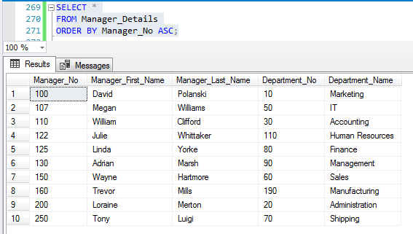
TEST PLAN
Check manager details

EXPECTED RESULT
Each manager and their department should be listed

ACTUAL RESULT
Test Pass/Fail? : PASS

Q19
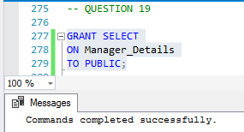
TEST PLAN
Execute GRANT statement

EXPECTED RESULT
Should execute without errors

ACTUAL RESULT
Test Pass/Fail? : PASS

Q20
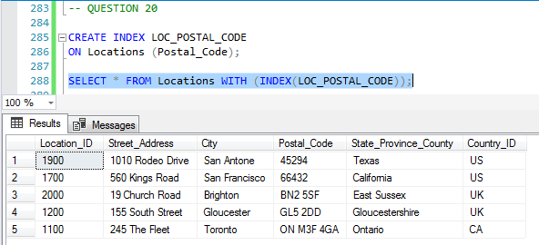
TEST PLAN
Execute CREATE INDEX …
Check ordering of records

EXPECTED RESULT
Should execute without errors
Should be ordered by postcode

ACTUAL RESULT
Test Pass/Fail? : PASS

